Applicant Information Page
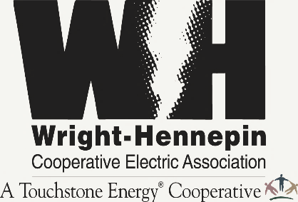
 | 2022 RTU & Split-Systems Efficiency Incentive Program
 | - Applicant Information Page -

Business Member Name (company)
Installation Address
City, State, Zip |  |  | MN
Business Member Contact (person)
Email Address
Phone Number

 | Third-Party Rebate Payment Information
The preferred practice of Wright Hennepin Cooperative Electric Association (WH), is that efficiency incentives be issued/paid directly to the WH commercial business member. If however the commercial business member desires that the efficiency incentive be issued/paid to a third-party entity, then the following information must be provided. In addition, it is mandatory that the relevant signatory be fully authorized to represent/act-on-behalf of the WH commercial business member.

Alternative Recipient (name of company)
Mailing Address
City, State, Zip
Contact Person (for alternative recipient)
Contact's Phone Number
Authorized By (please print) |  | Representing:
 |  |  | Note: If other than the WH business member, payment to a third-party may be disallowed
 | General Program Information & Requirements
* All applicable rebate forms or worksheets must be completed & submitted by applicant.
* Qualification & funding criteria for this rebate incentive program is defined per "Rules & Information" page.
(refer to appropriate worksheet tab)
* Funding for efficiency-improvement projects is subject to status of rebate program's funding budget at time of application.
* For consideration rebate applications should be submitted no later than November 1, 2022.
The undersigned does hereby certify and/or acknowledge that 1) the undersigned is solely responsible for the accuracy of the information contained in this application, 2) that all rules of the program have been followed, and 3) that the installation is complete. The undersigned also acknowledges that nothing contained in the application imposes any liability on the cooperative for the work performed and information presented by the member, member's engineer, contractor, or vendor. The undersigned also authorizes payment of rebate incentive directly to the rebate recipient as specified.
Business Member Signature: |  |  |  | Date:

